ART
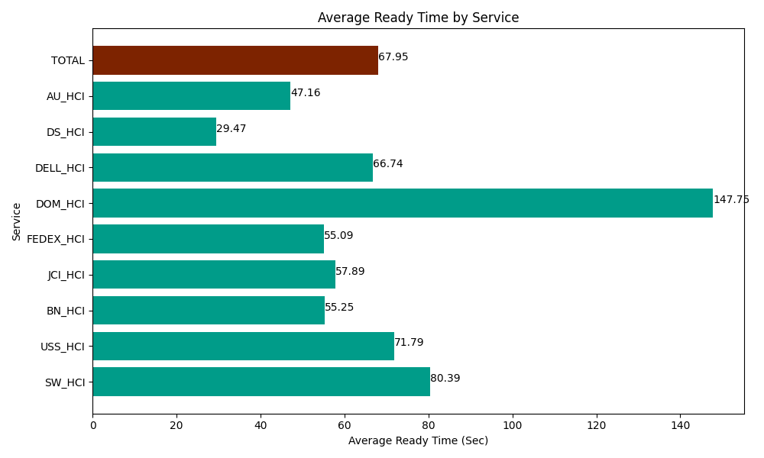
Date | Service | Successful Op Transfer | In Call (Sec) | Ready (Sec) | Wrapup (Sec) | Not Ready (Sec) | Average Ready Time (Sec)
04-17-2024 | SW_HCI | 126 | 4575 | 10129.200439 | 13186.799927 | 8811.0003662 | 80.39
04-17-2024 | USS_HCI | 57 | 5840.9999084 | 4091.9998169 | 5370 | 3688.2000732 | 71.79
04-17-2024 | BN_HCI | 746 | 41662.199707 | 41214.001465 | 91530 | 40192.800293 | 55.25
04-17-2024 | JCI_HCI | 391 | 40189.801025 | 22636.199341 | 52696.201172 | 9514.8001099 | 57.89
04-17-2024 | FEDEX_HCI | 129 | 11173.799744 | 7106.9998169 | 11695.799561 | 14951.999817 | 55.09
04-17-2024 | DOM_HCI | 20 | 640.80001831 | 2955 | 1461.0000229 | 193.80000114 | 147.75
04-17-2024 | DELL_HCI | 61 | 4633.2000732 | 4070.9999084 | 12208.200073 | 5478.0001831 | 66.74
04-17-2024 | DS_HCI | 835 | 47409.001465 | 24607.199707 | 85747.800293 | 76151.99707 | 29.47
04-17-2024 | AU_HCI | 217 | 15280.799561 | 10234.200439 | 20455.799561 | 20689.200439 | 47.16
 | TOTAL | 2582 | 171405.6015 | 127045.80093 | 294351.60061 | 179671.79835 | 67.95

